专项奖学金
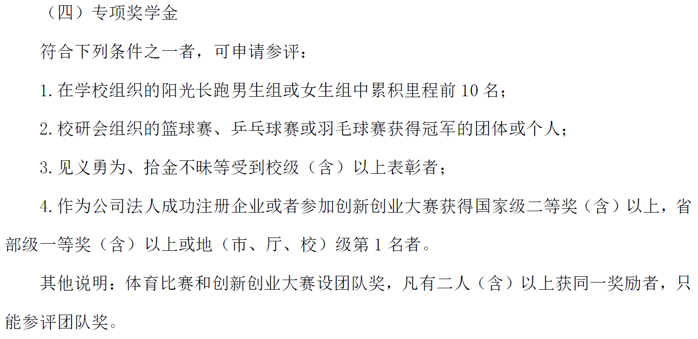
专项奖学金获奖名单
专项奖学金——阳光长跑类
序号 | 学号 | 学院 | 专业 | 奖项 | 金额（元）
1 | 7230484 | 材料科学与技术学院 | 材料与化工 | 第6名 | 1000

专项奖学金——体育赛事类 （团体奖请指定一名负责人统一申报，负责人信息填在第一行，奖金将发至负责人账上）
序号 | 学号 | 学院 | 专业 | 奖项 | 金额（元）
1 | 7220462 | 材料科学与技术学院 | 材料与化工 | 北京林业大学2023年“羽动青春，逐梦前行”研究生师生羽毛球赛冠军 | 2000
 | 3230321 | 材料科学与技术学院 | 木材科学与技术
 | 2242053 | 材料科学与技术学院 | 木材科学与技术
 | 2242122 | 材料科学与技术学院 | 木材科学与技术
 | 7211196 | 材料科学与技术学院 | 材料与化工

专项奖学金——创新创业类 （团体奖请指定一名负责人统一申报，负责人信息填在第一行，奖金将发至负责人账上）
序号 | 学号 | 学院 | 专业 | 内容 | 金额（元）
1 | 3230393 | 材料科学与技术学院 | 生物质能源与材料 | 首届北京林业大学勉励杯大学生创新创业大赛第一名 | 2000
 | 7230657 | 园林学院 | 风景园林

学术创新奖-学术论著
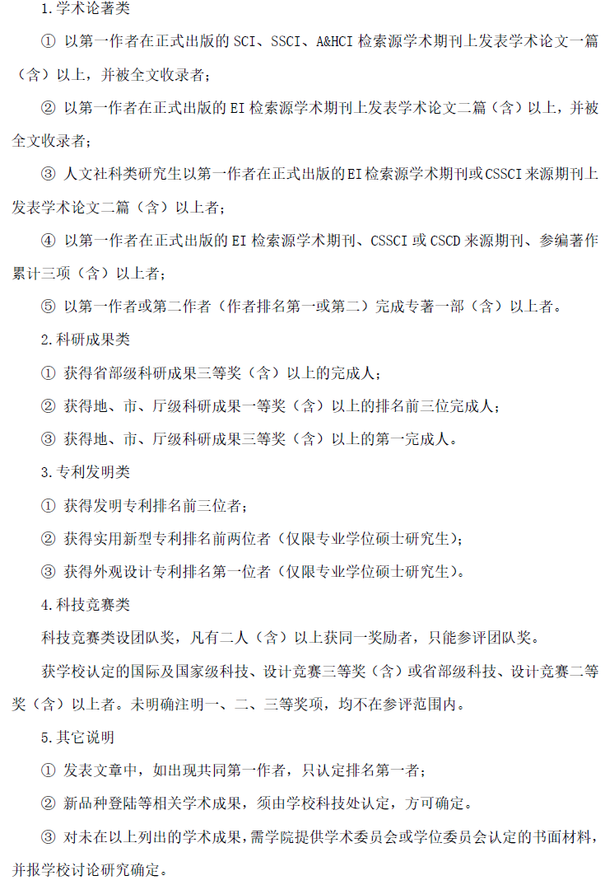
学术创新奖获奖名单——学术论著类
序号 | 学号 | 学院 | 专业 | 论文/专著题目 | 期刊名/出版社名称 | 类型 （SCI/SSCI/A&HCI/EI/CSSCI/CSCD） | 正式发表时间（年月） | 排名情况（在以下情况中选择） 1.论文-第一作者， 2.论文-共同第一作者且排名第一， 3.专著-第一作者， 4.专著-第二作者。
1 | 7220438 | 材料科学与技术学院 | 材料与化工 | Flexible wood-based composite for solar water evaporation and waste heat power generation | Sustainable Materials and Technologies | SCI | 2024.04 | 论文-第一作者
2 | 7220464 | 材料科学与技术学院 | 材料与化工 | Drying characteristics of bamboo bundles and the heat transfer model | Drying Technology | SCI | 2024.08 | 论文-第一作者
3 | 7220466 | 材料科学与技术学院 | 材料与化工 | Construction of durable, multifunctional superhydrophobic wood surface via ε-polylysine/PDMS/wax treatment | PROGRESS IN ORGANIC COATINGS | SCI | 2024.05 | 论文-第一作者
4 | 7220479 | 材料科学与技术学院 | 材料与化工 | Development of poly(vinyl acetate) adhesive with hot water resistance via constructing semi-IPN/IPN structures with hydroxymethylated lignin | Journal Of Applied Polymer Science | SCI | 2024.06 | 论文-共同第一作者且排名第一
5 | 7220490 | 材料科学与技术学院 | 材料与化工 | Efficient separation of Eucommia ulmoides gum (EUG) and directed fabrication of reconstructed materials from Eucommia seed shell based on ingenious biphasic solvent system | Industrial Crops and Products | SCI | 2024.08 | 论文-共同第一作者且排名第一
6 | 7220491 | 材料科学与技术学院 | 材料与化工 | Self-Adhesive, Anti-Freezing Multifunctional Zwitterionic Hydrogels with Lignin-Promoted Rapid Gelation for Flexible Strain Sensors | ACS Sustainable Chemistry & Engineering | SCI | 2024.07 | 论文-第一作者
7 | 3220397 | 材料学院 | 生物质能源与材料 | Facile extraction of lignin-carbohydrate complexes from bamboo with formic acid aqueous solution under moderate conditions | Separation and Purification Technology | SCI | 2024.03 | 论文-第一作者
8 | 3220365 | 材料科学与技术 | 林产化学加工工程 | ● 1T-rich MoS2 nanosheets anchored on conductive porous carbon as effective polysulfide promoters for lithium–sulfur batteries | Journal of Colloid and Interface Science | SCI | 2024.05 | 论文-第一作者
9 | 3220391 | 材料科学与技术学院 | 生物质能源与材料 | In situ pretreatment of wood samples with deep eutectic solvents for enhanced lignin removal and enzymatic Saccharification efficiency optimization | INDUSTRIAL CROPS AND PRODUCTS | SCI | 2024.05 | 论文-共同第一作者且排名第一
10 | 3220382 | 材料科学与技术学院 | 生物质能源与材料 | 基于离子液体的纤维素均相加工研究进展 | 化工学报 | EI | 2023.09 | 论文-第一作者
11 | 3220396 | 材料科学与技术 | 生物质能源与材料 | Study of life cycle assessment: Transforming microalgae to biofuel through hydrothermal liquefaction and upgrading in organic or aqueous medium | Journal of Cleaner Production | SCI | 2024.01 | 论文-第一作者
12 | 2242102 | 材料科学与技术学院 | 林产化学加工工程 | Multifunctional wood-derived cellulose/Ti3C2Tx composite films enhanced by densification strategy for electromagnetic shielding, Joule/solar heating, and thermal camouflage | Chemical Engineering Journal | SCI | 2024.05 | 论文-共同第一作者且排名第一
13 | 3220383 | 材料科学与技术学院 | 生物质能源与材料 | Reducing Fluorescence Interference for Improved Raman Spectroscopic Analysis of Plant Cell Walls | Wood Science and Technology | SCI | 2024.08 | 论文-第一作者
14 | 3220398 | 材料科学与技术学院 | 生物质能源与材料 | Highly selective hydrogenation of guaiacol to cyclohexanol over carbon-encapsulated highly dispersed cobalt catalyst | Chemical Engineering Science | SCI | 2024.01 | 论文-第一作者
15 | 3220363 | 材料学院 | 林产化学加工工程 | Fabrication of a wood-based molecularly imprinted composite with pH/temperature-response for specific recognition of OVA | Separation and Purification Technology | SCI | 2024.02 | 论文-第一作者
16 | 3220364 | 材料 | 林产化学加工工程 | Harnessing zeolite catalyst for the cleavage of targeted chemical bonds in lignin | Chem Catalysis | SCI | 2023.11 | 论文-共同第一作者且排名第一
17 | 3220393 | 材料科学与技术学院 | 生物质能源与材料 | Enhanced ion transport in ultrathin regenerated cellulose supercapacitor separators | Journal of Materials Chemistry C | SCI | 2024.07 | 论文-第一作者
18 | 3220374 | 材料科学与技术学院 | 林产化学加工工程 | environmentally stable and rapidly polymeririzd tintannin catalytic system hydroxyethy cello use hydrogel for wireless wearable sensing | International Journal of Biological Macromolecules | SCI | 2024.08 | 论文-第一作者
19 | 3220368 | 材料科学与技术学院 | 林产化学加工工程 | Engineering metal–phenolic networks anchored cotton fabrics with boosted photothermal properties for sustainable solar desalination | Cellulose | SCI | 2024.03 | 论文-共同第一作者且排名第一
20 | 3220376 | 材料科学与技术学院 | 林产化学加工工程 | Facilitating the fabrication of diverse bio-based nanomaterials from bamboo using one-pot hydrated deep eutectic solvent pretreatment | Chemical Engineering Journal | SCI | 2024.05 | 论文-第一作者
21 | 3220329 | 材料科学与技术学院 | 木材科学与技术 | Comparative study of pyrolysis characteristics,kinetics and gaseous products between bamboo parenchym a cells and fiber cells | Industrial Crops & Products | SCI | 2024.05 | 论文-第一作者
22 | 3220353 | 材料科学与技术学院 | 木材科学与技术 | Fabrication of an ultrastrong formaldehyde-free wood adhesive with an organic-inorganic cross-linking network | Nano Letters | SCI | 2024.02 | 论文-第一作者
23 | 322037 | 材料科学与技术学院 | 木材科学与技术 | In-situ construction of chitosan@tannin structure on bamboo fiber for green and convenient reinforcement of poly(3-hydroxybutyrate) biocomposite | International Journal of Biological Macromolecules | SCI | 2024.08 | 论文-第一作者
24 | 3220347 | 材料科学与技术学院 | 木材科学与技术 | Multifunctional bamboo-based fiber composites fabricated by assembling 3D network structures of bamboo and spatial distribution of silver nanoparticles | Composites Science and Technology | SCI | 2024.07 | 论文-第一作者
25 | 3220349 | 材料科学与技术学院 | 木材科学与技术 | Crustacean-inspired chitin-based flexible buffer layer with a helical cross-linked network for bamboo fiber/poly(3-hydroxybutyrate) biocomposites | International Journal of Biological Macromolecules | SCI | 2024.01 | 论文-第一作者
26 | 3220350 | 材料科学与技术学院 | 木材科学与技术 | Transparent bamboo as a replacement for glass: Effects of lignin decolorisation methods on weatherability | International Journal of Biological Macromolecules | SCI | 2024.08 | 论文-第一作者
27 | 3220389 | 材料科学与技术学院 | 生物质能源与材料 | Ultrafast surface esterification of cellulosic materials in aqueous media at room temperature | Cellulose | SCI | 2024.07 | 论文-第一作者
28 | 3230352 | 材料科学与技术学院 | 木材科学与技术 | Synergistic modification of bamboo fibers by laccase-catechol/tetraethylenepentamine and preparation of poly(β-hydroxybutyrate) composites | Industrial Crops and Products | SCI | 2024.05 | 论文-共同第一作者且排名第一
29 | 3230330 | 材料科学与技术学院 | 木材科学与技术 | Optimizing the Preparation Process of Bamboo Scrimber with Bamboo Waste Bio-Oil Phenoilc Resin Using Response Surface Methodology | Forests | SCI | 2024.07 | 论文-第一作者
30 | 2220141 | 材料科学与技术 | 木材科学与技术 | A green magnesium oxychloride cement based adhesive synergistically reinforced by citric acid and polyvinyl alcohol fibers for wood | Construction and Building Materials | SCI | 2024.04 | 论文-第一作者
31 | 2220146 | 材料科学与技术学院 | 木材科学与技术 | Preparation of Strong and Thermally Conductive, Spider Silk-Inspired, Soybean Protein-Based Adhesive for Thermally Conductive Wood-Based Composites | ACS Nano | SCI | 45200 | 论文-第一作者
32 | 2220148 | 材料学院 | 木材科学与技术 | Sanding performance and failure progress of precision‑shaped abrasive belt during sanding MDF | European Journal of Wood and Wood Products | SCI | 2023.11 | 论文-第一作者
33 | 2220150 | 材料 | 林产化工 | Uncovering the structure of lignin from moso bamboo with different tissues and growing ages for efficient ambient-pressure lignin depolymerization | ACS Sustainable Chem. Eng. | SCI | 2023.09 | 论文-第一作者
34 | 2220152 | 材料学院 | 林产化学加工工程 | Hollow Metal-Organic Framework/MXene/Nanocellulose Composite Films for Giga/Terahertz Electromagnetic Shielding and Photothermal Conversion | Nano-Micro Letters | SCI | 2024.04 | 论文-第一作者
35 | 2220153 | 材料学院 | 林产化学加工工程 | Natural Deep Eutectic Solvent-Assisted Construction ofSilk Nanofibrils/Boron Nitride Nanosheets Membranes with Enhanced Heat-Dissipating Efficiency | Advanced Science | SCI | 2024.07 | 论文-第一作者
36 | 2220154 | 材料科学与技术学院 | 林产化学加工工程 | Conductive nanocomposite hydrogels for flexible wearable sensors | Journal of Materials Chemistry A | SCI | 2024.03 | 论文-第一作者
37 | 2220160 | 材料科学与技术学院 | 林产化学加工工程 | Harnessing atomically dispersed cobalt for the reductive catalytic fractionation of lignocellulose | Advanced Science | SCI | 2024.03 | 论文-第一作者
38 | 2220161 | 材料科学与技术学院 | 生物质能源与材料 | 3D Printed Room Temperature Phosphorescence Materials Enabled by Edible Natural Konjac Glucomannan | Advanced Materials | SCI | 2024.04 | 论文-第一作者
39 | 2220163 | 材料学院 | 生物质能源与材料 | Carboxyl-functionalized graphene oxide/cellulose nanofiber as adsorbents toward methylene blue | Chemical Physics Letters | SCI | 2024.02 | 论文-第一作者
40 | 2220165 | 材料科学与技术学院 | 生物质能源与材料 | Clusterization-Triggered Room-Temperature Phosphorescence of Konjac Glucomannan Foams with High Mechanical Strength | ACS Sustainable Chemistry & Engineering | SCI | 2023.12 | 论文-共同第一作者且排名第一
41 | 2220166 | 材料科学与技术学院 | 生物质能源与材料 | Perforin-Mimicking Molecular Drillings Enable Macroporous Hollow Lignin Spheres for Performance-Configurable Materials | Advanced Materials | SCI | 2024.01 | 论文-第一作者
42 | 2220168 | 材料科学与技术学院 | 生物质能源与材料 | An integrated biorefinery strategy for Eucalyptus fractionation and co-producing glucose, furfural, and lignin based on deep eutectic solvent/cyclopentyl methyl ether system | Carbohydrate Polymers | SCI | 2024.06 | 论文-第一作者
43 | 2220169 | 材料科学与技术学院 | 生物质能源与材料 | Cellulose-based colorimetric/ratiometric fluorescence sensor for visual detecting amines and anti-counterfeiting | Carbohydrate Polymers | SCI | 2024.07 | 论文-第一作者
44 | 220170 | 材料学院 | 生物质能源与材料 | Low-temperature pretreatment by AlCl3-catalyzed 1,4-butanediol solution for producing ‘ideal’ lignin with super-high content of β-O-4 linkages | International Journal of Biological Macromolecules | SCI | 2023.01 | 论文-第一作者
45 | 220171 | 材料学院 | 木材科学与技术 | Green, recyclable and high latent heat form-stable phase change composites supported by cellulose nanofibers for thermal energy management | International Journal of Biological Macromolecules | SCI | 2024.03 | 论文-第一作者
46 | 2220172 | 材料科学与技术 | 木材科学与技术 | Enhancing water resistance and flame retardancy of wood through phytic acid catalyzed in-situ polyesterification | Industrial Crops & Products | SCI | 2024.05 | 论文-第一作者
47 | 2220175 | 材料科学与技术学院 | 木材科学与技术 | A facile method for constructing non-carbonised puffed bamboo with hierarchical pore structure based on self-exploding mechanism | Construction and Building Materials | SCI | 2024.04 | 论文-第一作者
48 | 2220176 | 材料学院 | 木材科学与技术 | Multiple Function Hyperbranched Polysiloxane Nanoclusters for Controlling a Cross-Linking Structure to Convert Soy Meal into a Strong, Tough, and Multifunctional Adhesive | ACS Sustainable Chemistry & Engineering | SCI | 2024.02 | 论文-第一作者
49 | 2220185 | 材料科学与技术 | 林产化学加工工程 | An ultrathin and robust single-ion conducting interfacial layer for dendrite-free lithium metal batteries | Journal of Energy Chemistry | SCI | 2024.07 | 论文-第一作者
50 | 2220187 | 材料科学与技术 | 林产化学加工工程 | Biomimetic scale-like polysaccharide-based highly-sensitive piezoresistive sensor with “shell-core” nanostructure | Chemical Engineering Journal | SCI | 2023.01 | 论文-第一作者
51 | 2220190 | 材料科学与技术学院 | 生物质能源与材料 | ZnCl2 assisted in-situ synthesis of ZIF-8/wood to prepare nitrogen-doped porous self-supporting carbon for supercapacitors | Chemical Engineering Journal | SCI | 2023.03 | 论文-共同第一作者且排名第一
52 | 2220191 | 材料学院 | 生物质能源与材料 | Selectively fractionate hemicelluloses with high molecular weight from poplar thermomechanical pulp by tetramethylammonium hydroxide | International Journal of Biological Macromolecules | SCI | 2023.12 | 论文-第一作者
53 | 2190148 | 材料学院 | 木材科学与技术 | Revealing the behavior and mechanism of surfactant-assisted liquid permeability in Poplar wood | Industrial Crops & Products | SCI | 2023.12 | 论文-第一作者
54 | 2200133 | 材料学院 | 木材科学与技术 | Synergistic enhancement of hygroscopicity and micromechanical properties of wood cell walls through joint tung oil and thermal modification | Construction and Building Materials | SCI | 2024.03 | 论文-第一作者
55 | 2200135 | 材料学院 | 木材科学与技术 | Enhancing Building Energy Efficiency: Leaf Transpiration Inspired Construction of Lignin-Based Wood Plastic Composites for Building Energy Conservation | Applied Energy | SCI | 2024.05 | 论文-第一作者
56 | 2210134 | 材料学院 | 木材科学与技术 | How does phosphoric acid affect the hygroscopicity and chemical components of poplar thermally modified at low temperatures? | Wood Science and Technology | SCI | 2024.03 | 论文-第一作者
57 | 2210136 | 材料学院 | 木材科学与技术 | Synthesis of inorganic/organic hybrid-shell antibacterial polyurea microcapsules loaded with Ag/TiO2 nanoparticles | Colloids and Surfaces A: Physicochemical and Engineering Aspects | SCI | 2024.03 | 论文-第一作者
58 | 2210138 | 材料学院 | 木材科学与技术 | A strong hydrogen bond bridging interface based on tannic acid forimproving the performance of high-filled bamboo fibers_poly (butylenesuccinate-co-butylene adipate) (PBSA)biocomposites | International Journal of Biological Macromolecules | SCI | 2024.04 | 论文-第一作者
59 | 2210146 | 材料学院 | 木材科学与技术 | High-efficient removal and adsorption mechanism of organic dyes in wastewater by KOH-activated biochar from phenol-formaldehyde resin modified wood | Separation and Purification Technology | SCI | 2023.01 | 论文-第一作者
60 | 2210147 | 材料学院 | 木材科学与技术 | High-efficient removal and adsorption mechanism of organic dyes in wastewater by KOH-activated biochar from phenol-formaldehyde resin modified wood | Separation and Purification Technology | SCI | 2023.01 | 论文-第一作者
61 | 2210148 | 材料学院 | 木材科学与技术 | Bi-anionic polyurethane-assisted thiol-polyamide resins reinforced and toughened high-temperature soybean meal-based wood adhesives | Industrial Crops & Products | SCI | 2024.06 | 论文-第一作者
62 | 2210149 | 材料学院 | 木材科学与技术 | Preparation of strong, water retention, and multifunctional soybean flour-based adhesive inspired by lobster shells and milk skin | Composites Part B | SCI | 2023.09 | 论文-第一作者
63 | 2210151 | 材料学院 | 木材科学与技术 | Enzyme-Induced “Sea−Island” Structure Reinforced Bio-Based Adhesive: Toward High Bonding Strength, Toughness, and Bacterial Resistance | ACS Materials Letters | SCI | 2024.07 | 论文-第一作者
64 | 2210152 | 材料学院 | 木材科学与技术 | A strong and tough supramolecular assembled β-cyclodextrin and chitin nanocrystals protein adhesive: Synthesis, characterization, bonding performance on three-layer plywood | Carbohydrate Polymers | SCI | 2024.02 | 论文-第一作者
65 | 2210159 | 材料学院 | 林产化学加工工程 | Fabrication of multi-functional biodegradable liquid mulch utilizing xyloglucan derived from tamarind waste for agricultural application | International Journal of Biological Macromolecules | SCI | 2023.12 | 论文-第一作者
66 | 2210160 | 材料学院 | 林产化工加工工程 | Polymeric monolithic columns based on natural wood for rapid purification of targeted protein | International Journal of Biological Macromolecules | SCI | 2024.06 | 论文-第一作者
67 | 2210162 | 材料学院 | 林产化学加工工程 | Pressure-assisted hydrothermal pretreatment for biorefinery to enhance pulp production | Chemical Engineering Journal | SCI | 2024.03 | 论文-第一作者
68 | 2210163 | 材料学院 | 林产化学加工工程 | Efficient and comprehensive utilization of sugarcane bagasse components through vanillic acid pretreatment | Chemical Engineering Journal | SCI | 2024.05 | 论文-第一作者
69 | 2210167 | 材料学院 | 林产化学加工工程 | Green and sustainable production of high-purity lignin microparticles with well-preserved substructure and enhanced anti-UV/oxidant activity using peroxide-promoted alkaline deep eutectic solvent | International Journal of Biological Macromolecules | SCI | 2023.09 | 论文-第一作者
70 | 2210168 | 材料学院 | 林产化学加工工程 | Controlled production of liposomes with novel microfluidic membrane emulsification for application of entrapping hydrophilic and lipophilic drugs | Journal of Industrial and Engineering Chemistry | SCI | 2023.11 | 论文-第一作者
71 | 2210169 | 材料学院 | 林产化学加工工程 | Cooperative action of polymer architecture and size on the mechanical and water retention properties of the Gleditsia sinensis galactomannan-based hydrogel | Industrial Crops And Products | SCI | 2024.08 | 论文-第一作者
72 | 2210171 | 材料学院 | 林产化学加工工程 | Multifunctional composite film of curcumin Pickering emulsion stabilized by lignocellulose nanofibrils isolated from bamboo shoot shells for monitoring shrimp freshness | Carbohydrate Polymers | SCI | 2024.08 | 论文-第一作者
73 | 2210175 | 材料学院 | 生物质能源与材料 | Customized compatibilizer to improve the mechanical properties of polylactic acid/lignin composites via enhanced intermolecular interactions for 3D printing | Industrial Crops & Products | SCI | 2023.09 | 论文-第一作者
74 | 2210179 | 材料学院 | 生物质能源与材料 | Multifunctional films with superior mechanical performance, transparency, antibacterial properties enabled by a physical and chemical dual crosslinking network construction | Chemical Engineering Journal | SCI | 2023.11 | 论文-第一作者
75 | 2210185 | 材料学院 | 生物质能源与材料 | 3D cellulose scaffold with gradient pore structure controlled by hydrogen bond competition: Super-strength and multifunctional oil/water separation | Carbohydrate Polymers | SCI | 2024.08 | 论文-第一作者
76 | 2210186 | 材料学院 | 生物质能源与材料 | Fully Exploiting Clusterization-Triggered Room Temperature Phosphorescence of Cellulose by Stepwise Rigidification for Long-Lived and Excitation Wavelength-Dependent Afterglows | Advanced Functional Materials | SCI | 2024.05 | 论文-第一作者
77 | 2230171 | 材料科学与技术学院 | 木材科学与技术 | Effects of shape and ratio of copper foam on thermal storage properties of the heat storage system with phase change materials | JOURNAL OF ENERGY STORAGE | SCI | 2023.10 | 论文-第一作者
78 | 2230175 | 材料科学与技术学院 | 木材科学与技术 | Convert bamboo into high-performance, long-time durability, and fire-retardant with hyperbranched polyethylene glycol and boron | Chemical Engineering Journal | SCI | 2024.05 | 论文-第一作者
79 | 2230178 | 材料科学与技术学院 | 木材科学与技术 | A new strategy for the preparation of wood-epoxy resin composites reinforced with controllable osmotic interfaces | Chemical Engineering Journal | SCI | 2024.03 | 论文-第一作者
80 | 2230181 | 材料学院 | 林产化学加工工程 | Simple building blocks from forestry residues via convergent catalytic pathways | Chemical Engineering Journal | SCI | 2024.07 | 论文-第一作者
81 | 2230183 | 材料科 学与技 术学院 | 林产化学 加工工程 | Efficient production of xylooligosaccharides from Camellia oleifera shells pretreatedby pyruvic acidat lower temperature | International Journalof Biological Macromolecules | SCI | 2024.02 | 论文一第一作者
82 | 2230184 | 材料科学与技术学院 | 林产化学加工工程 | Modulating Ni-S Coordination in Ni3S2 to Promote Electrocatalytic Oxidation of 5-Hydroxymethylfurfural at Ampere-Level Current Density | Chemical Science | SCI | 2024.06 | 论文-共同第一作者且排名第一
83 | 2230185 | 材料学院 | 林产化学加工工程 | Surface Engineering of Cathode Materials: Enhancing the High Performance of Lithium-Ion Batteries | Small | SCI | 2024.05 | 论文-第一作者
84 | 2230186 | 材料科学与技术学院 | 林产化学加工工程 | Engineering unlocking the synergistic potential of antibacterial wood vinegar and porous activated carbon in the cleaner refining process | Industrial Crops & Products | SCI | 45444 | 论文-第一作者
85 | 2230189 | 材料学院 | 生物质能源与材料 | Deep eutectic solvent (TMAH·5H2O/Urea) with low viscosity for cellulose dissolution at room temperature | Carbohydrate Polymers | SCI | 2024.03 | 论文-第一作者
86 | 2230209 | 材料学院 | 林产化学加工工程 | Recyclable bio-based epoxy resin thermoset polymer from wood for circular economy | Green Energy & Environment | SCI | 2024.08 | 论文-第一作者
87 | 2230217 | 材料学院 | 生物质能源与材料 | The confinement effect on phase change materials by physicochemical structure of wood-based materials | Industrial Crops & Products | SCI | 2024.08 | 论文-第一作者
88 | 2230219 | 材料科学与技术学院 | 生物质能源与材料 | Preparation of cathode catalysts for efficient direct lignin fuel cells by nitrogen doping reduction of oxidized graphene with phthalocyanine iron and Kraft lignin | Journal of Colloid And Interface Science | SCI | 2024.08 | 论文-第一作者
89 | 2230191 | 材料科学与技术学院 | 生物质能源与材料 | Bacterial nanocellulose membrane with opposite surface charges for large-scale and large-area osmotic energy harvesting and ion transport | International Journal of Biological Macromolecules | SCI | 2024.01 | 论文-共同第一作者且排名第一
90 | 2241843 | 材料科学与技术学院 | 木材科学与技术 | Flame retardancy and degradation process of precipitation construction of double-shell flame-retardant microcapsules | Industrial Crops and Products | SCI | 2023.12 | 论文-第一作者
91 | 2241823 | 材料科学与技术 | 木材科学与技术 | Nanostructured, Biodoping-Activated Fungi-Modified Wood for Enhanced Cd<sup>2+</sup> Removal: Performances and Insight on Adsorption Mechanisms | Langmuir | SCI | 2024.04 | 论文-第一作者
92 | 2241853 | 材料科学与技术学院 | 木材科学与技术 | Preparation of a long-term mildew resistant and strong soy protein adhesive via constructing multiple crosslinking networks | Chemical Engineering Journal | SCI | 2024.05 | 论文-第一作者
93 | 2241873 | 材料科学与技术学院 | 木材科学与技术 | Smart construction of metal chelating for enhancing waterborne polyurethane multi-crosslinked soybean meal adhesives | International Journal of Adhesion and Adhesives | SCI | 2024.05 | 论文-第一作者
94 | 2241933 | 材料科学与技术学院 | 木材科学与技术 | Study on the characteristics of glass fiber-reinforced polymers from recycled wind turbine blades as reinforcement in particleboard | WILEY | SCI | 2024.04 | 论文-第一作者
95 | 2241943 | 材料科学与技术学院 | 木材科学与技术 | High-Bond-Strength, Water-Resistant Magnesium Oxychloride Cement-Based Inorganic Adhesive Inspired by Adsorbed Heavy Metal Ions | ACS Sustainable Chemistry & Engineering | SCI | 2024.03 | 论文-第一作者
96 | 2242043 | 材料学院 | 林产化学加工工程 | 3D printing of customizable and lightweight multilayer MXene/ nanocellulose architectures for tunable electromagnetic interference shielding via direct ink writing | Chemical Engineering Journal | SCI | 2023.01 | 论文-第一作者
97 | 2242053 | 材料学院 | 林产化学加工工程 | Cascade fractionation of bamboo shoot shells into high-yield xylose, easily digestible cellulose and high-quality lignin nanoparticles by tailored catalytic hydrothermal–hydrated alkaline deep eutectic solvents pretreatment | Chemical Engineering Journal | SCI | 2024.02 | 论文-第一作者
98 | 2242073 | 材料科学与技术学院 | 林产化学加工工程 | Preparation and properties of α-Co(OH)2/SA nanofiltration membranes with a “brick and mortar” biomimetic structure | Separation and Purification Technology | SCI | 2024.4 | 论文-第一作者
99 | 2242083 | 材料学院 | 林产化学加工工程 | Two-step emulsification for the fabrication of homogeneous PCL microspheres encapsulating geniposidic acid with antioxidant properties | Particuology | SCI | 2024.08 | 论文-第一作者
100 | 2242283 | 材料科学与技术学院 | 生物质能源与材料 | Confinement-modulated clusterization-triggered time-dependent phosphorescence color from xylan carbonized polymer dots | Journal of the American Chemical Society | SCI | 2023.12 | 论文-第一作者
101 | 2242293 | 材料科学与技术学院 | 生物质能源与材料 | High stretchable and tough xylan-g-gelatin hydrogel via the synergy of chemical cross-linking and salting out for strain sensors | INTERNATIONAL JOURNAL OF BIOLOGICAL MACROMOLECULES | SCI | 2024.01 | 论文-第一作者
102 | 2242303 | 材料院 | 生物质能源与材料 | Xylan‑Assisted construction of anisotropic aerogel for pressure sensor | Chemical Engineering Journal | SCI | 2024.04 | 论文-第一作者
103 | 2242313 | 材料学院 | 生物质能源与材料 | All-Cellulose Nanofiber-Based Sustainable Triboelectric Nanogenerators for Enhanced Energy Harvesting | Polymers | SCI | 2024.06 | 论文-第一作者
104 | 2242323 | 材料学院 | 生物质能源与材料 | Influences of Ni/CeO2 morphologies on steam reforming for acetic acid-a model compound of bio-oil | International journal of hydrogen energy | SCI | 2024.06 | 论文-第一作者
105 | 2242343 | 材料科学与技术学院 | 生物质能源与材料 | Mono-component bacterial cellulose heterogeneous membrane mediated by ionic liquids for osmotic energy harvesting | International Journal of Biological Macromolecules | SCI | 2023.12 | 论文-第一作者

